PY32F002BF1xP_START
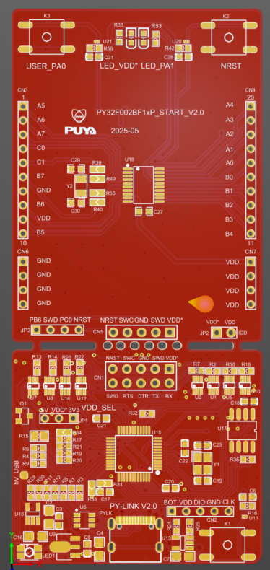
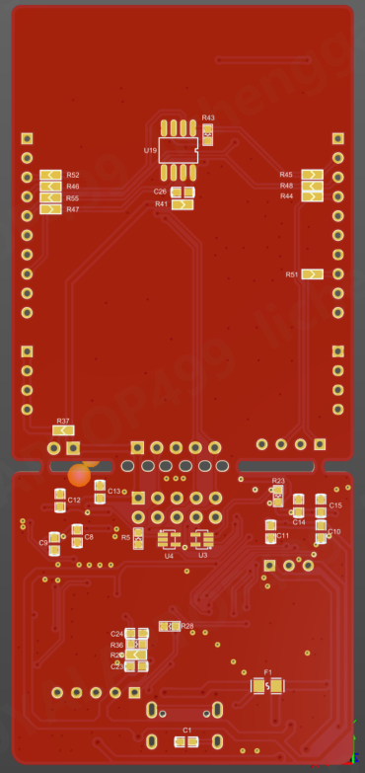
Comment | Description | Designator | Footprint | Quantity | 备注 | 参考链接
TP_SIN |  | 1 | TP_SIN | 1 | 不焊接
4.7nF |  | C1 | C0603 | 1
10uF |  | C2, C4, C7, C16 | C0805 | 4
100nF | [NoValue], Capacitor (Semiconductor SIM Model) | C3, C5, C6, C8, C9, C10, C11, C12, C13, C14, C15, C17, C18, C20, C21, C22, C23, C24, C28, C31 | C0603 | 20
22pF |  | C19, C25 | C0603 | 2
100nF | Capacitor (Semiconductor SIM Model) | C26 | C0603 | 1
0.1uF/50V | Capacitor | C27 | 0603C | 1
22pF | Capacitor | C29, C30 | 0603C | 2
2X5P |  | CN1 | HDR2X5 | 1 | 2.54双排针
CON5 |  | CN2 | CON5 | 1 | 不焊接
CON10 |  | CN3, CN4 | CON10 | 2 | 2.54单排针
Header 5 | Header, 5-Pin | CN5 | HDR1X5 | 1 | 不焊接
CON4 |  | CN6, CN7, JP3 | CON4 | 3 | 2.54单排针， JP3 PB6和SWD加跳线帽 PC0和NRST加跳线帽
JK-SMD0805-050-16V |  | F1 | F0805 | 1 |  | https://item.szlcsc.com/1055440.html?fromZone=s_s__%2522%2520JK-SMD0805-050-16V%2522&spm=sc.gbn.xh1.zy.n___sc.gbn.hd.ss&lcsc_vid=E1BfBQZfFVYPUQUEQgRZBVYCQwNWBAZSQ1kKAgFUR1AxVlNSTlVYXl1QR1hYVzsOAxUeFF5JWBIBSRccGwIdBEoFGAxBAAgJFQACSQwSGg0%3D
CON3 |  | JP1 | CON3 | 1 | 2.54单排针， JP1:VDD*和3V3加跳线帽
CON2 |  | JP2 | CON2 | 1 | 不焊接
TS-KG02S-AT43F |  | K1, K2, K3 | SW-SMD_4P-L6.0-W6.0-P4.50-LS8.5 | 3 |  | https://item.szlcsc.com/3079567.html?fromZone=s_s__%2522%2520TS-KG02S-AT43F%2522&spm=sc.gbn.xh1.zy.n___sc.gbn.hd.ss&lcsc_vid=E1BfBQZfFVYPUQUEQgRZBVYCQwNWBAZSQ1kKAgFUR1AxVlNSTlVZV1FQR1RdUzsOAxUeFF5JWAgaAglIBBsCBBcFWQIBCks%3D
MHPA3528RGBCT |  | LED1 | LED-ARRAY-SMD_4P-L3.5-W2.8-TL | 1 |  | https://item.szlcsc.com/400142.html?fromZone=s_s__%2522%2520MHPA3528RGBCT%2522&spm=sc.gbn.xh1.zy.n&lcsc_vid=E1BfBQZfFVYPUQUEQgRZBVYCQwNWBAZSQ1kKAgFUR1AxVlNSTlVZV1BRQlRaUDsOAxUeFF5JWBIBSRccGwIdBEoFGAxBAAgJFQACSQwSGg0%3D
GREEN |  | LED_PA1 | 0603_LED | 1 |  | https://item.szlcsc.com/85436.html?fromZone=s_s__%2522C84267%2522&spm=sc.gbn.xh1.zy.n&lcsc_vid=E1BfBQZfFVYPUQUEQgRZBVYCQwNWBAZSQ1kKAgFUR1AxVlNSTlVZV1dTRlNfVDsOAxUeFF5JWAgaAglIBBsCBBcFWQIBCks%3D
RED |  | LED_VDD* | 0603_LED | 1 |  | https://item.szlcsc.com/85436.html?fromZone=s_s__%2522C84267%2522&spm=sc.gbn.xh1.zy.n&lcsc_vid=E1BfBQZfFVYPUQUEQgRZBVYCQwNWBAZSQ1kKAgFUR1AxVlNSTlVZV1dTRlNfVDsOAxUeFF5JWAgaAglIBBsCBBcFWQIBCks%3D
KH-TYPE-C-16P |  | PYLK | USB-C-SMD_KH-TYPE-C-16P | 1 |  | KH-TYPE-C-16P中文资料_最新报价_数据手册下载_kinghelm(金航标)-USB连接器-立创商城
2302 | MOSFET N | Q1 | SOT23 | 1 |  | https://item.szlcsc.com/21953927.html?fromZone=s_s__%25222302%2522&spm=sc.gbn.xh18.zy.n&lcsc_vid=E1BfBQZfFVYPUQUEQgRZBVYCQwNWBAZSQ1kKAgFUR1AxVlNSTlVZV1FQR1RdUzsOAxUeFF5JWAgaAglIBBsCBBcFWQIBCks%3D
5.1K |  | R1, R3 | R0603 | 2
27R |  | R2, R7, R10, R11, R12, R13, R14, R18, R22, R26 | R0603 | 10
680R |  | R4, R6, R9, R32, R38, R53 | R0603 | 6
1M |  | R5, R8 | R0603 | 2
100R |  | R15 | R0805 | 1
10K |  | R16, R21, R28, R36, R42 | R0603 | 5
20K |  | R17 | R0603 | 1
100R |  | R19 | R0603 | 1
100K |  | R20, R35 | R0603 | 2
4.7K |  | R23, R24, R29 | R0603 | 3
16K | 0603WAF1602T5E 16KΩ(1602) ±1% | R25, R30 | R0603 | 2
0R |  | R27, R31, R33, R34, R37, R39, R40, R44, R49, R50, R51, R52, R55 | JP2_SMD | 13 | 0603电阻
0R/NC |  | R41, R45, R46, R47, R48 | JP2_SMD | 5 | 不焊接
100K |  | R43 | R0603 | 1
1.5K |  | R56 | R0603 | 1
74LVC1T45DW |  | U1, U2, U5, U7, U8, U10, U12, U14 | SOT363 | 8 |  | https://item.szlcsc.com/180239.html?fromZone=s_s__%252274LVC1T45DW%2522&spm=sc.gbn.xh1.zy.n___sc.it.hd.ss&lcsc_vid=E1BfBQZfFVYPUQUEQgRZBVYCQwNWBAZSQ1kKAgFUR1AxVlNSTlVZV1FQR1RdUzsOAxUeFF5JWAgaAglIBBsCBBcFWQIBCks%3D
ESDALC6V1W5 | Dual Transil array for ESD protection | U3, U4 | ESD_SOT323-5L | 2 |  | https://item.szlcsc.com/739503.html?fromZone=s_s__%2522C703691%2522&spm=sc.gbn.xh1.zy.n___sc.gbn.hd.ss&lcsc_vid=E1BfBQZfFVYPUQUEQgRZBVYCQwNWBAZSQ1kKAgFUR1AxVlNSTlVZV1FQR1RdUzsOAxUeFF5JWAgaAglIBBsCBBcFWQIBCks%3D
USBLC6-2SC6 |  | U6 | SOT23-6 | 1 |  | USBLC6-2SC6中文资料_最新报价_数据手册下载_ST(意法半导体)-静电和浪涌保护(TVS/ESD)-立创商城
LM1117F-3.3 |  | U9 | SOT-89-3_L4.5-W2.5-P1.50-LS4.2-BR | 1
ESDALC6V1-1U2 | ESD protection 6V1 | U11, U20, U21 | ESD_ST0201 | 3
MT9700 |  | U13, U16 | SOT23-5 | 2
PY32F403C1xT | LQFP48 | U15 | LQFP-48_L7.0-W7.0-P0.50-LS9.0-BL | 1 | 我们提供
P25Q64SH | SST25VF010 | U17 | SOP-8P | 1 | 我们提供
PY32F002BF15Px | TSSOP20 | U18 | TSSOP-20_L6.5-W4.4-P0.65-LS6.4-BL | 1 | 我们提供
P25Q64SH | SST25VF010 | U19 | SOP-8P | 1 | 我们提供
24MHz | ±20ppm , 12.5pF , T_use: -40°C~125°C | Y1 | CRYSTAL-SMD_4P-L3.2-W2.5-BL | 1 |  | TXM24M0004322FBCDO00T中文资料_最新报价_数据手册下载_YJX(雅晶鑫)-无源晶振-立创商城
32.768KHz | Crystal | Y2 | CRYSTAL-SMD_L3.2-W1.5-1 | 1 |  | https://item.szlcsc.com/98814.html?fromZone=s_s__%2522C97606%2522&spm=sc.gbn.xh1.zy.n___sc.it.hd.ss&lcsc_vid=E1BfBQZfFVYPUQUEQgRZBVYCQwNWBAZSQ1kKAgFUR1AxVlNSTlRdXlBTQlhbVjsOAxUeFF5JWBIBSRccGwIdBEoFGAxBAAgJFQACSQwSGg0%3D

